Traversals 1
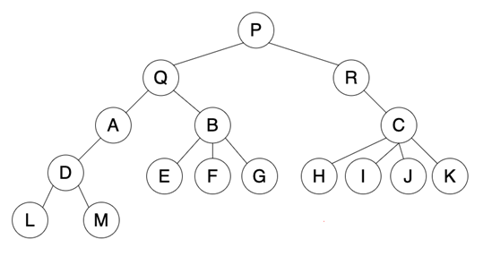

One capital letter per box this time | Outputs
Breadth first traversal | P | Q
Depth first traversal | P | Q

Traversals 2
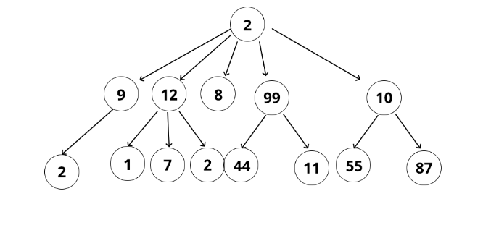

One capital letter per box this time | Outputs
Breadth first traversal | 2 | 9
Depth first traversal

Traversals 3
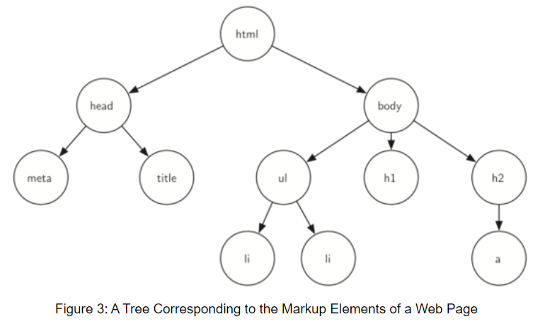
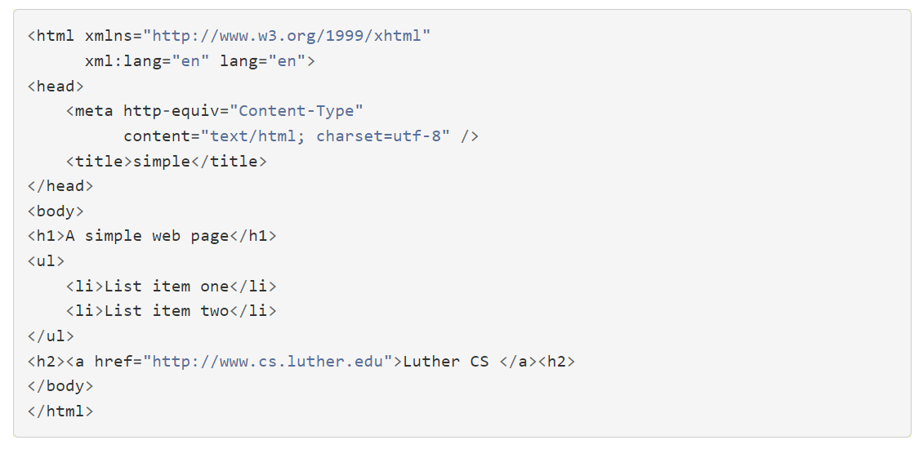

 |  | represents this html -->

One capital letter per box this time | Outputs
Breadth first traversal
Depth first traversal

